Sheet1
 | Huge object/data/pojo creation | -- Estimate how much memory is required -- create or allocate memory with calculated amount -- initializ the memory with values |  |  | Java Internal
 | Race situation, manage a object to be shared with many | -- declare volatile, final to variables indicate the memory to be managed -- common operations are read/write(update,insert) -- "before it happens" a indication flush out sequences of update, and complete write to cache |  |  | Java Internal
 | Race situation on collection of objects | -- apply separate of concerns on read / write -- when write operation trigger on read more collection, create a copy of old list and add new one | -- java.util.concurrent.CopyOnWriteArrayList |  | Java Internal
 | one service call has numerous dependencies on other legacy or real big services; it adds up SLA and dead slow | -- recommended solution is : really don’t hit and wait for external services; Bring the dependent data/service out puts into local Data base or Local Service; This could be achieved Eigther have Event Driven Architecture (Or) Trigger which sync up the data | 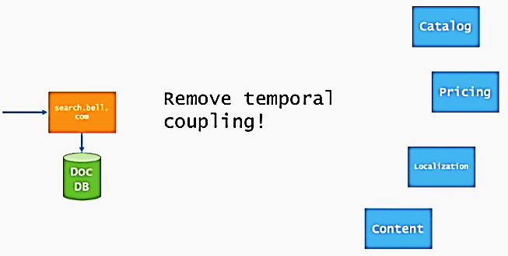 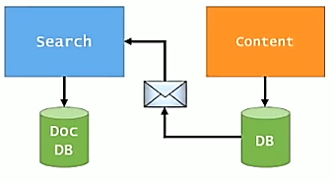
 | A Micro service with high SLA, because it has to invoke other many services; each dependent service's SLA added up and become huge | -- Let Client display status "Request Accepted", "Processed", "Completed" by reading it from staging table -- Try to keep as much dependent data in local (Material View) or Queue etc; Avoid Outbound/Sync instead Inbound-Async
 | Linear scan on unstructured data,

EAI | Many business systems require access to the same data | Example: a customer’s address may be used in the customer care system (when the customer calls to change it) -- Accounting system (to compute sales tax), -- Shipping system (to label the shipment) -- Billing system (to send an invoice). Many of these systems are going to have their own data stores to store customer related information. | Implementing integration strategy based on data replication. -- Build replication functions into the database -- Export data into files and re-import them into the other system -- MOM to transport data records inside messages.
EAI | Shared Business Services | Example: Many business applications tend to implement redundant functionality. -- Check whether a social-security number is valid, -- Match Address specified postal code -- A item is in stock. | Expose a shared business service that is implemented once and available as a service to other systems. Note : Replication Data vs Exposed Service - Decision based on -- Frequency of Data changes -- amount of control requires over data | 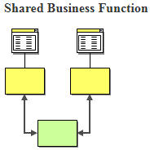
 | Service-Oriented Architecture | Service : well defined, universally available to serve SOA : (.) Service discover (.) Negotiate |  | 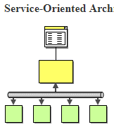
 | Distributed Business Process | a single business transaction is often spread across many different systems. A service Instead of internally invoke all relevant functions, Co-Ordinate with external application/service to accomplish the transaction. |  | 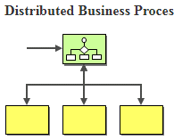
 | Business-to-Business Integration | business functions may be from outside suppliers or business partners. Integration frequently occurs between business partners | Example: shipping company may provide a service for customers to compute shipping cost or track shipments. Or a business may use an outside provider to compute sales tax rates.

